SH Map
E
F
1.5 m
G
H
1 m
J
I
Infiltrometer site
A
B
C
2 m
D
1 m
Survey site
0.60 m
K
SP

Legend

 | Transient State Infiltrometer Measurements |  | Soil Core Sample Locations-Hydrophobicity Test in Lab

 | Steady State Infiltrometer Measurements |  | Hydrophobicity Test Location in Field
 | SP- Soil Profile
 | Dimensions of Soil Profile:
 |  | Length: 0.30 m
 |  | Width: 0.40 m
 |  | Depth: 0.39 m
 | Point K is located 0.60 m upslope of the survey grid.
 | Soil core samples were taken 0.20 m upslope from locations: E, F, and K.

 | Note: The locations of the core samples are not to scale on the figure. Soil profile not drawn to scale.

MG Map
SP
Infiltrometer site
K
2 m
A
B
C
2 m
1 m
D
Survey site
F
G
H
1 m
1 m
E
I

Legend

 | Transient State Infiltrometer Measurements |  | Soil Core Sample Locations-Hydrophobicity Test in Lab
 | Steady State Infiltrometer Measurements
 | SP- Soil Profile |  | Hydrophobicity Test Location in Field
 | Dimensions of Soil Profile:
 |  | Length: 0.65 m
 |  | Width: 0.80 m
 |  | Depth: 0.25 m
 | Point I is located in the middle of all infiltrometer samples and K is located 2 m downslope of the survey grid.
 | Points E and F are 0.5 m to the right of Missed Grouse survey grid.
 | Soil Core samples were taken 0.20 m upslope from locations: E, F, G, and K.
 | Note: The locations of the core samples are not to scale on the figure. Soil profile not drawn to scale.

Location A-MG
 | Surface | 10cm | 20cm
1 | 5 | 20 | 2
2 | 40 | 40 | 10
3 | 70 | 50 | 15
4 | 95 | 55 | 17
5 | 120 | 60 | 21
6 | 150 | 63 | 25
7 | 175 | 65 | 37
8 | 195 | 70 | 30
9 | 210 | 70 | 35
10 | 235 | 75 | 40
11 | 255 | 75 | 42
12 | 271 | 78 | 45
13 | 285 | 80 | 48
14 | 300 | 83 | 50
15 | 352 | 85 | 54
16 | 355 | 85 | 58
17 | 375 | 88 | 60
18 | 385 | 90 | 62
19 | 395 | 94 | 64
20 | 425 | 97 | 65
21 | 455 | 98 | 66
22 | 470 | 98 | 68
23 | 485 | 100 | 68
24 | 495 | 101 | 71
25 | 500 | 102 | 75
26 | 500 | 103 | 76
27 | 500 | 104 | 76
28 | 500 | 104 | 78
29 | 500 | 104 | 80
30 | 500 | 104 | 82

Location B-MG
Infiltrometer Data Location B
 | Surface | 10cm
1 | 2 | 20
2 | 19 | 45
3 | 30 | 55
4 | 40 | 65
5 | 49 | 75
6 | 58 | 85
7 | 65 | 95
8 | 74 | 105
9 | 80 | 110
10 | 86 | 120
11 | 92 | 130
12 | 100 | 135
13 | 108 | 139
14 | 115 | 145
15 | 122 | 150
16 | 135 | 155
17 | 140 | 160
18 | 145 | 165
19 | 150 | 170
20 | 155 | 173
21 | 160 | 175
22 | 165 | 179
23 | 170 | 184
24 | 175 | 188
25 | 178 | 193
26 | 182 | 196
27 | 184 | 199
28 | 185 | 201
29 | 188 | 203
30 | 190 | 204

Location E-MG
Infiltrometer Data Location E
 | Surface | 10cm
1 | 0 | 2
2 | 20 | 15
3 | 40 | 25
4 | 50 | 34
5 | 60 | 41
6 | 70 | 46
7 | 80 | 50
8 | 90 | 55
9 | 110 | 60
10 | 120 | 63
11 | 130 | 65
12 | 140 | 69
13 | 150 | 73
14 | 160 | 76
15 | 170 | 78
16 | 180 | 80
17 | 190 | 84
18 | 200 | 88
19 | 210 | 90
20 | 215 | 92
21 | 223 | 94
22 | 229 | 96
23 | 235 | 98
24 | 239 | 100
25 | 245 | 102
26 | 248 | 104
27 | 253 | 106
28 | 257 | 108
29 | 261 | 110
30 | 265 | 112

Location C-MG
Infilrometer Data Location C
 | Surface | 10cm
1 | 2 | 0
2 | 22 | 12
3 | 30 | 28
4 | 40 | 40
5 | 55 | 54
6 | 65 | 65
7 | 77 | 76
8 | 90 | 86
9 | 100 | 95
10 | 110 | 100
11 | 120 | 105
12 | 130 | 110
13 | 137 | 115
14 | 147 | 118
15 | 157 | 123
16 | 167 | 129
17 | 180 | 135
18 | 190 | 140
19 | 200 | 150
20 | 210 | 155
21 | 220 | 160
22 | 230 | 164
23 | 240 | 168
24 | 254 | 172
25 | 259 | 175
26 | 263 | 179
27 | 268 | 183
28 | 273 | 185
29 | 278 | 188
30 | 293 | 190

Location shallow
 | E-MG |  | F-MG |  | G-MG |  | H-MG |  | I-MG |  | K-MG |  | I-SH |  | J-SH
1 | 5 | 1 | 2 | 1 | 2 | 1 | 5 | 1 | 0 | 0 | 0 | 1 | 2 | 1 | 5
2 | 40 | 2 | 19 | 2 | 22 | 2 | 45 | 2 | 20 | 1 | 35 | 2 | 32 | 2 | 28
3 | 70 | 3 | 30 | 3 | 30 | 3 | 75 | 3 | 40 | 2 | 50 | 3 | 52 | 3 | 44
4 | 95 | 4 | 40 | 4 | 40 | 4 | 95 | 4 | 50 | 3 | 66 | 4 | 68 | 4 | 57
5 | 120 | 5 | 49 | 5 | 55 | 5 | 125 | 5 | 60 | 4 | 80 | 5 | 82 | 5 | 68
6 | 150 | 6 | 58 | 6 | 65 | 6 | 155 | 6 | 70 | 5 | 95 | 6 | 95 | 6 | 79
7 | 175 | 7 | 65 | 7 | 77 | 7 | 180 | 7 | 80 | 6 | 110 | 7 | 107 | 7 | 90
8 | 195 | 8 | 74 | 8 | 90 | 8 | 200 | 8 | 90 | 7 | 125 | 8 | 123 | 8 | 101
9 | 210 | 9 | 80 | 9 | 100 | 9 | 220 | 9 | 110 | 8 | 139 | 9 | 150 | 9 | 112
10 | 235 | 10 | 86 | 10 | 110 | 10 | 245 | 10 | 120 | 9 | 150 | 10 | 162 | 10 | 122
11 | 255 | 11 | 92 | 11 | 120 | 11 | 255 | 11 | 130 | 10 | 157 | 11 | 172 | 11 | 133
12 | 271 | 12 | 100 | 12 | 130 | 12 | 285 | 12 | 140 | 11 | 168 | 12 | 182 | 12 | 143
13 | 285 | 13 | 108 | 13 | 137 |  |  | 13 | 150 | 12 | 179 | 13 | 192 | 13 | 152
14 | 300 | 14 | 115 | 14 | 147 |  |  | 14 | 160 | 13 | 191 | 14 | 202 | 14 | 161
15 | 352 | 15 | 122 | 15 | 157 |  |  | 15 | 170 | 14 | 202 | 15 | 212 | 15 | 170
16 | 355 | 16 | 135 | 16 | 167 |  |  | 16 | 180 | 15 | 213 | 16 | 222 | 16 | 180
17 | 375 | 17 | 140 | 17 | 180 |  |  | 17 | 190 | 16 | 223 | 17 | 232 | 17 | 190
18 | 385 | 18 | 145 | 18 | 190 |  |  | 18 | 200 | 17 | 233 | 18 | 243 | 18 | 200
19 | 395 | 19 | 150 | 19 | 200 |  |  | 19 | 210 | 18 | 243 | 19 | 253 | 19 | 207
20 | 425 | 20 | 155 | 20 | 210 |  |  | 20 | 215 | 19 | 253 | 20 | 263 | 20 | 215
21 | 455 | 21 | 160 | 21 | 220 |  |  | 21 | 223 | 20 | 264 | 21 | 271 | 21 | 223
22 | 470 | 22 | 165 | 22 | 230 |  |  | 22 | 229 | 21 | 275 | 22 | 281 | 22 | 231
23 | 485 | 23 | 170 | 23 | 240 |  |  | 23 | 235 | 22 | 290 | 23 | 289 | 23 | 239
24 | 495 | 24 | 175 | 24 | 254 |  |  | 24 | 239 | 23 | 298 | 24 | 296 | 24 | 246
25 | 500 | 25 | 178 | 25 | 259 |  |  | 25 | 245 | 24 | 306 | 25 | 306 | 25 | 253
26 | 500 | 26 | 182 | 26 | 263 |  |  | 26 | 248 | 25 | 315 | 26 | 316 | 26 | 257
27 | 500 | 27 | 184 | 27 | 268 |  |  | 27 | 253 | 26 | 324 | 27 | 326 | 27 | 263
28 | 500 | 28 | 185 | 28 | 273 |  |  | 28 | 257 | 27 | 333 | 28 | 336 | 28 | 269
29 | 500 | 29 | 188 | 29 | 278 |  |  | 29 | 261 | 28 | 341 | 29 | 346 | 29 | 275
30 | 500 | 30 | 190 | 30 | 293 |  |  | 30 | 265 | 29 | 350 | 30 | 356 | 30 | 281
 |  |  |  |  |  |  |  |  |  | 30 | 359

Location 10 & 20 cm
 | E-MG |  | E-MG 20 cm |  | F-MG |  | G-MG |  | I-MG |  | J-SH
1 | 20 | 1 | 2 | 1 | 20 | 1 | 0 | 1 | 2 | 1 | 2
2 | 40 | 2 | 10 | 2 | 45 | 2 | 12 | 2 | 15 | 2 | 6
3 | 50 | 3 | 15 | 3 | 55 | 3 | 28 | 3 | 25 | 3 | 6
4 | 55 | 4 | 17 | 4 | 65 | 4 | 40 | 4 | 34 | 4 | 7
5 | 60 | 5 | 21 | 5 | 75 | 5 | 54 | 5 | 41 | 5 | 7
6 | 63 | 6 | 25 | 6 | 85 | 6 | 65 | 6 | 46 | 6 | 8
7 | 65 | 7 | 37 | 7 | 95 | 7 | 76 | 7 | 50 | 7 | 8
8 | 70 | 8 | 30 | 8 | 105 | 8 | 86 | 8 | 55 | 8 | 8
9 | 70 | 9 | 35 | 9 | 110 | 9 | 95 | 9 | 60 | 9 | 9
10 | 75 | 10 | 40 | 10 | 120 | 10 | 100 | 10 | 63 | 10 | 9
11 | 75 | 11 | 42 | 11 | 130 | 11 | 105 | 11 | 65 | 11 | 10
12 | 78 | 12 | 45 | 12 | 135 | 12 | 110 | 12 | 69 | 12 | 10
13 | 80 | 13 | 48 | 13 | 139 | 13 | 115 | 13 | 73 | 13 | 10
14 | 83 | 14 | 50 | 14 | 145 | 14 | 118 | 14 | 76 | 14 | 11
15 | 85 | 15 | 54 | 15 | 150 | 15 | 123 | 15 | 78 | 15 | 11
16 | 85 | 16 | 58 | 16 | 155 | 16 | 129 | 16 | 80 | 16 | 12
17 | 88 | 17 | 60 | 17 | 160 | 17 | 135 | 17 | 84 | 17 | 12
18 | 90 | 18 | 62 | 18 | 165 | 18 | 140 | 18 | 88 | 18 | 13
19 | 94 | 19 | 64 | 19 | 170 | 19 | 150 | 19 | 90 | 19 | 13
20 | 97 | 20 | 65 | 20 | 173 | 20 | 155 | 20 | 92 | 20 | 13
21 | 98 | 21 | 66 | 21 | 175 | 21 | 160 | 21 | 94 | 21 | 14
22 | 98 | 22 | 68 | 22 | 179 | 22 | 164 | 22 | 96 | 22 | 14
23 | 100 | 23 | 68 | 23 | 184 | 23 | 168 | 23 | 98 | 23 | 14
24 | 101 | 24 | 71 | 24 | 188 | 24 | 172 | 24 | 100 | 24 | 14
25 | 102 | 25 | 75 | 25 | 193 | 25 | 175 | 25 | 102 | 25 | 15
26 | 103 | 26 | 76 | 26 | 196 | 26 | 179 | 26 | 104 | 26 | 15
27 | 104 | 27 | 76 | 27 | 199 | 27 | 183 | 27 | 106 | 27 | 15
28 | 104 | 28 | 78 | 28 | 201 | 28 | 185 | 28 | 108 | 28 | 15
29 | 104 | 29 | 80 | 29 | 203 | 29 | 188 | 29 | 110 | 29 | 16
30 | 104 | 30 | 82 | 30 | 204 | 30 | 190 | 30 | 112 | 30 | 16
 |  |  |  |  |  |  |  |  |  | 31 | 17
 |  |  |  |  |  |  |  |  |  | 32 | 17
 |  |  |  |  |  |  |  |  |  | 33 | 18
 |  |  |  |  |  |  |  |  |  | 34 | 18
 |  |  |  |  |  |  |  |  |  | 35 | 19
 |  |  |  |  |  |  |  |  |  | 36 | 19
 |  |  |  |  |  |  |  |  |  | 37 | 19
 |  |  |  |  |  |  |  |  |  | 38 | 20
 |  |  |  |  |  |  |  |  |  | 39 | 20
 |  |  |  |  |  |  |  |  |  | 40 | 20
 |  |  |  |  |  |  |  |  |  | 41 | 20
 |  |  |  |  |  |  |  |  |  | 42 | 21

Steady state-15 min
 | J-MG |  | E-SH |  | F-SH |  | G-SH |  | H-SH
0 | 100 | 0 | 70 | 0 | 64 | 0 | 78 | 0 | 80
10 | 264 | 20 | 80 | 10 | 130 | 10 | 140 | 10 | 130
 |  |  |  | 20 | 100 | 20 | 100 | 20 | 80

steady state graph-30 min
 | J-MG |  | E-SH |  | F-SH |  | G-SH |  | H-SH
0 | 200 | 0 | 140 | 0 | 128 | 0 | 156 | 0 | 160
10 | 528 | 20 | 160 | 10 | 260 | 10 | 280 | 10 | 260
 |  |  |  | 20 | 200 | 20 | 200 | 20 | 160

compare_plots
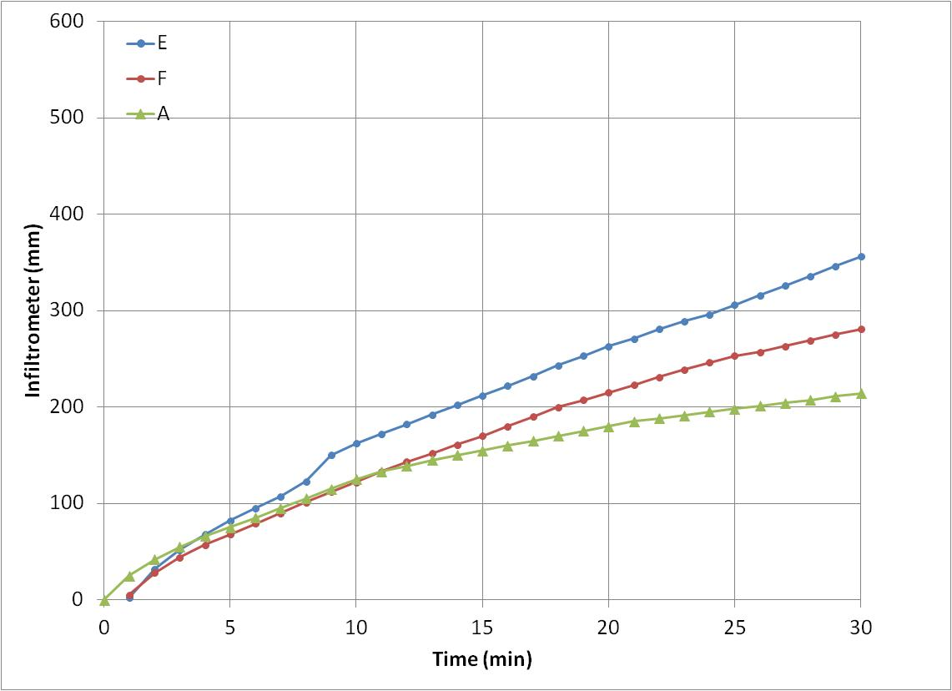
 | A |  | B |  | C |  | D |  | E |  | F
1 | 5 | 1 | 2 | 1 | 2 | 1 | 5 | 1 | 0 | 0 | 0
2 | 40 | 2 | 19 | 2 | 22 | 2 | 45 | 2 | 20 | 1 | 35
3 | 70 | 3 | 30 | 3 | 30 | 3 | 75 | 3 | 40 | 2 | 50
4 | 95 | 4 | 40 | 4 | 40 | 4 | 95 | 4 | 50 | 3 | 66
5 | 120 | 5 | 49 | 5 | 55 | 5 | 125 | 5 | 60 | 4 | 80
6 | 150 | 6 | 58 | 6 | 65 | 6 | 155 | 6 | 70 | 5 | 95
7 | 175 | 7 | 65 | 7 | 77 | 7 | 180 | 7 | 80 | 6 | 110
8 | 195 | 8 | 74 | 8 | 90 | 8 | 200 | 8 | 90 | 7 | 125
9 | 210 | 9 | 80 | 9 | 100 | 9 | 220 | 9 | 110 | 8 | 139
10 | 235 | 10 | 86 | 10 | 110 | 10 | 245 | 10 | 120 | 9 | 150
11 | 255 | 11 | 92 | 11 | 120 | 11 | 255 | 11 | 130 | 10 | 157
12 | 271 | 12 | 100 | 12 | 130 | 12 | 285 | 12 | 140 | 11 | 168
13 | 285 | 13 | 108 | 13 | 137 |  |  | 13 | 150 | 12 | 179
14 | 300 | 14 | 115 | 14 | 147 |  |  | 14 | 160 | 13 | 191
15 | 352 | 15 | 122 | 15 | 157 |  |  | 15 | 170 | 14 | 202
16 | 355 | 16 | 135 | 16 | 167 |  |  | 16 | 180 | 15 | 213
17 | 375 | 17 | 140 | 17 | 180 |  |  | 17 | 190 | 16 | 223
18 | 385 | 18 | 145 | 18 | 190 |  |  | 18 | 200 | 17 | 233
19 | 395 | 19 | 150 | 19 | 200 |  |  | 19 | 210 | 18 | 243
20 | 425 | 20 | 155 | 20 | 210 |  |  | 20 | 215 | 19 | 253
21 | 455 | 21 | 160 | 21 | 220 |  |  | 21 | 223 | 20 | 264
22 | 470 | 22 | 165 | 22 | 230 |  |  | 22 | 229 | 21 | 275
23 | 485 | 23 | 170 | 23 | 240 |  |  | 23 | 235 | 22 | 290
24 | 495 | 24 | 175 | 24 | 254 |  |  | 24 | 239 | 23 | 298
25 | 500 | 25 | 178 | 25 | 259 |  |  | 25 | 245 | 24 | 306
26 | 500 | 26 | 182 | 26 | 263 |  |  | 26 | 248 | 25 | 315
27 | 500 | 27 | 184 | 27 | 268 |  |  | 27 | 253 | 26 | 324
28 | 500 | 28 | 185 | 28 | 273 |  |  | 28 | 257 | 27 | 333
29 | 500 | 29 | 188 | 29 | 278 |  |  | 29 | 261 | 28 | 341
30 | 500 | 30 | 190 | 30 | 293 |  |  | 30 | 265 | 29 | 350
 |  |  |  |  |  |  |  |  |  | 30 | 359

